1. Title Page
Instacart Grocery Basket

Project Name: Instacart Grocery Basket Analysis
Date: 15.07.2025
Analyst Name: Zosya Trimbacher

Contents:
Population Flow
Consistency checks
Wrangling steps
Column derivations
Visualizations
Recommendations

2. Population Flow
Title page

Population flow

Exclusion flag
Condition: max_order <
Obervations to be removed:
Final total count of order_products_all:

Orders_products_combined
Orders_products_merged
Orders_products_all

Total:
Total:
Total:

1.) The grey boxes in the first row of the population flow represent the original data sets as they were when you downloaded them. In the Total fields you need to add the count of the rows when you imported the data set into Jupyter.
2.) The second row of boxes (coloured) represents the data sets after you manipulated them, e.g., removed missing values and duplicates. In the Total fields you need to add the count of the rows after conducting these operations. This offers a visual oveview of how the data flows throughout the data consistency checks.
3.) The third row, where also the arrows are coloured, represents the merges you performed between the datasets. In the Total fields you need to add the count of the rows in the merged datasets, so that you end up with the final dataset (in the red box). Keep in mind the final dataset should be without exclusions (based on the exclusion flag).

3. Consistency checks
 |  |  |  | Title page
Consistency checks

Dataset | Missing values | Missing values treatment | Duplicates
orders | Yes – days_since_prior_order (expected) | No treatment needed – expected for first orders | Checked – none found
products | Yes – in product_name - 16 of them | Removed rows with missing product_name | Checked – removed
orders_products_prior
customers | No missing values | No treatment needed | No duplicates found
ords_prods_merge | prices column had outlier values > 100 | Replaced outliers > 100 with NaN before plotting
df_active_anonymized | .describe() | No missing values
 | .info()

4. Wrangling steps
 |  |  |  | Title page
Wrangling steps

Columns dropped | Columns renamed | Columns' type changed | Comment/Reason
eval_set | order_dow | order_id > String | Eval_set was not needed for analysis. Renamed for clarity. Converted to String so ID's are not numeric
 |  | days_since_prior_order (float) | Looked at this column to understand the missing values. No change made yet, just explored the data.
 |  | user_id > string (both dataframes) | Needed for successful merge due to datatype mismatch
 |  |  | Merged df_ords_prods_merge with df_customers
 |  |  | Exported merged dataframe merged_dataframe_4_9.pkl
 | First Name' > first_name, 'Surnam' > surname, 'Gender' > gender, etc. | user_id to string first_name to string | Renamed columns for clarity and Python compatibility. Fixed column typing issues.
first_name, surname, user_id |  | order_id to int32, others to int8, float16 | Columns dropped for security/privacy during anonymization
 |  | orders_day_of_week, order_hour_of_day, etc. typecast to save memory | Memory-efficient optimization before export
 |  |  | Created new column: region based on state-to-region mapping
 |  |  | Created exclusion_flag for customers with < 5 orders
 |  | Many variables converted to memory-efficient types (e.g. int8, float32, int32) | Optimized memory use across numeric columns
 |  |  | Created parenting_status, age_group, income_group for profile derivation

5. Column derivations
 |  |  |  | Title page

Column derivations and aggregations

In this tab you should add tables below that the frequences of flags/label variables that you produced after deriving them. NB: don't do this for continuous variables, only for flags.
Dataset | New column | Column/s it was derived from | Conditions
df | price_range | prices | ≤5 = "Low-range"; >5 & ≤15 = "Mid-range"; >15 = "High range"
df | price_range_loc | prices | Same logic as above using .loc[] instead of a function
ords_prods_merge | busiest_day | orders_day_of_week | 0 = "Busiest"; 4 = "Least busy"; else = "Regularly busy"
ords_prods_merge | busiest_day | orders_day_of_week | 0 or 1 = "Busiest"; 3 or 4 = "Least busy"; else = "Regularly busy"
ords_prods_merge | busiest_period_of_day | order_hour_of_day | 10–14 = "Most"; 8–9 & 15–17 = "Average"; else = "Fewest orders"
ords_prods_merge | spending_flag | avg_spend_user | > 40 = "Loyal Customer"; 11–40 = "Regular customer"; ≤ 10 = "New customer"
ords_prods_merge | loyalty_flag | max_order | < 10 = "Low spender"; ≥ 10 = "High spender"
ords_prods_merge | frequency_flag | ord_regularity_median | > 20 = "Non-frequent"; 11–20 = "Moderately frequent"; ≤ 10 = "Frequent"
df_merged_anonymized | region | state | Custom mapping of states into 4 U.S. regions
df_merged_anonymized | exclusion_flag | max_order | < 5 orders = True (to flag low-activity customers)
df_merged_anonymized | parenting_status | num_dependents | 0 = "Single Adult"; else = "Parent"
df_merged_anonymized | age_group | age | < 25 = "Young"; 25–54 = "Adult"; ≥ 55 = "Senior"
df_merged_anonymized | income_group | income | < 35k = "Low income"; 35k–74k = "Middle"; ≥ 75k = "High income"

6. Visualizations
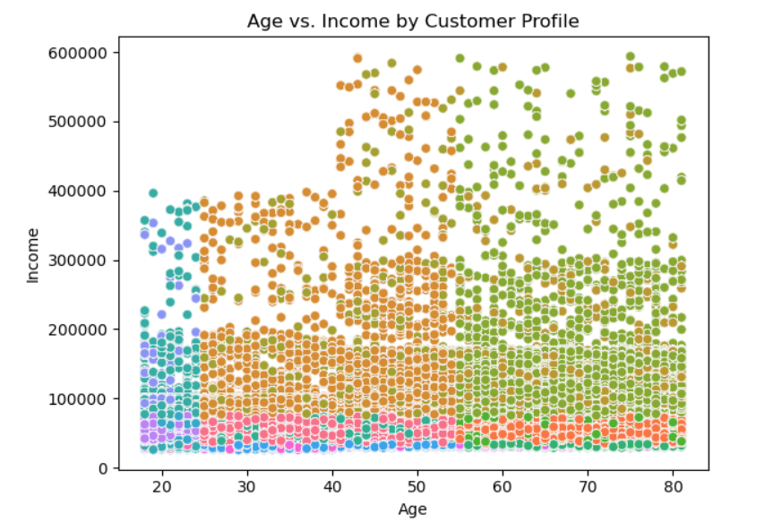
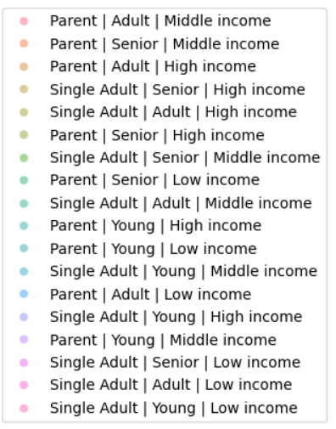
 |  |  |  |  |  |  |  |  |  | Title page

Visualisations

In this tab you should include all the visualtions from Exercises 4.9 and 4.10, alongside the questions from the project brief that they answer. Include any commentary on the relationship between different variables.

Key Question
The sales team needs to know what the busiest days of the week and hours of the
day are (i.e., the days and times with the most orders) in order to schedule ads at
times when there are fewer orders.
Comments
1 | The bar chart 'Orders by Day of Week' shows that weekends, Saturday and Sunday are the busiest days of the week.
2 | Order volume dips midweek, with Tuesday and Wednesday showing the lowest activity. After a steady decline from Monday, the number of orders begins to climb again from Thursday onward.
3 | Most orders are concentrated in the late morning to early afternoon, specifically between 10:00 am and 3:00 pm. Activity remains low during the early morning hours (midnight to 5:00 am), then gradually increases and peaks around midday, before tapering off in the late afternoon and evening.

 |  |  |  | Orders by Day of Week |  |  |  |  | Orders by the Hour of the Day


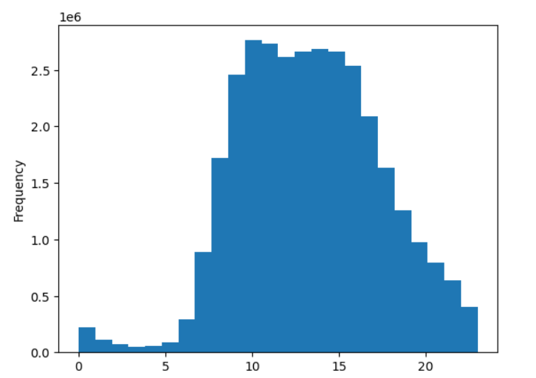

 |  | Sat | Sun | Mon | Tue | Thur | Wed | Fri

Key Question
They also want to know whether there are particular times of the day when people
spend the most money, as this might inform the type of products they advertise at
these times.
Comments
1 | Spending peaks during the early hours of the morning, with the highest prices observed around 4:00 to 5:00 am. Prices then drop sharply and reach their lowest point around 9:00 to 10:00 am. Throughout the afternoon, prices level off with moderate fluctuations.
 | A second price increase appears during the evening hours (8:00–10:00 pm) before tapering off again later at night.
2 | Across the days of the week, the average price is highest on Saturday and Friday. There’s a notable dip starting Sunday, continuing into Monday, where prices stay lower. From Tuesday to Thursday, the price remains relatively stable before climbing again toward the weekend.

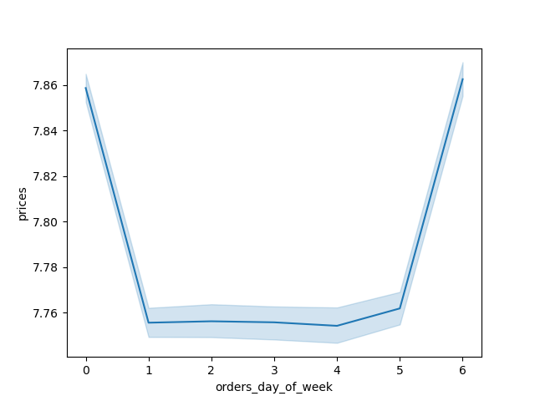
 |  |  |  |  | Prices by Hour of Day

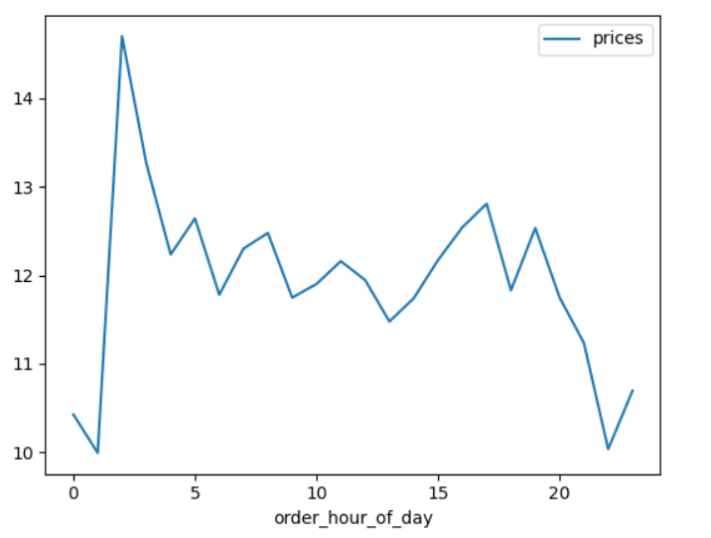

Prices

 | Notes: To keep the line chart clear, I grouped data by hour and used average prices instead of raw values.

Key Question
Instacart has a lot of products with different price tags. Marketing and sales want to
use simpler price range groupings to help direct their efforts.
Comments
1 | The histogram shows that most products fall within the $5 to $15 range, suggesting that mid-priced items dominate the catalog.
2 | Low priced items (around $2 - $5) are also quite common, contributing significantly to the total number of products.
3 | Products priced above $15 are rare, with a sharp drop-off in frequency, indicating that higher-end products make up a small share of the offerings.


Key Question
Are there certain types of products that are more popular than others? The marketing
and sales teams want to know which departments have the highest frequency of
Comments
1 | The chart shows that some departments receive far more orders than others, highlighting a clear difference in product popularity across categories.
2 | The top departments by order volume include: produce, dairy & eggs, snacks, beverages, frozen, pantry, bakery, canned goods, deli, and dry goods/pasta.
3 | Among these, the produce department leads by a wide margin, indicating that fresh fruits and vegetables are the most frequently purchased items.

 |  |  |  |  |  | Product Department Sales

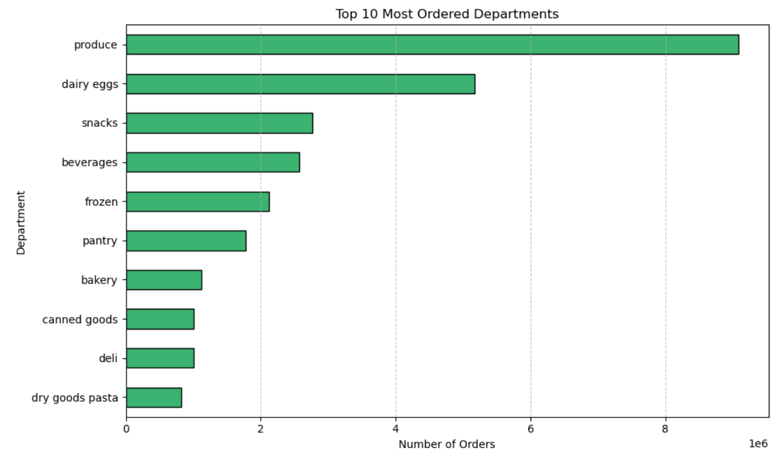

Key Question
What’s the distribution among users in regards to their brand loyalty (i.e., how
often do they return to Instacart)?
Comments
1 | The largest segment of Instacart users are Regular Customers, showing that many users return with moderate frequency but don’t yet qualify as highly loyal shoppers.
2 | Loyal Customers make up the second biggest group, representing a strong core of frequent and committed users who regularly shop on the platform.
3 | New Customers are the smallest segment, but they still represent a meaningful share of the user base, pointing to steady growth and user onboarding.

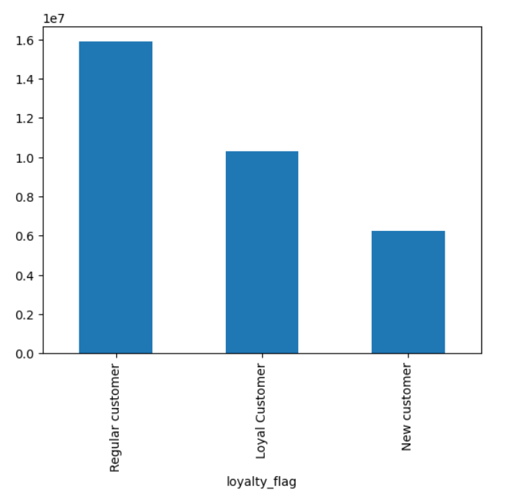

Key Question
Are there differences in ordering habits based on a customer’s loyalty status?
Comments
1 | The chart shows that most users, regardless of loyalty status, are classified as low spenders, making up the vast majority in every category.
2 | While Regular Customers include the highest number of high spenders, the difference compared to Loyal or New Customers is minimal, highlighting that high spenders represent only a small fraction of the overall user base.

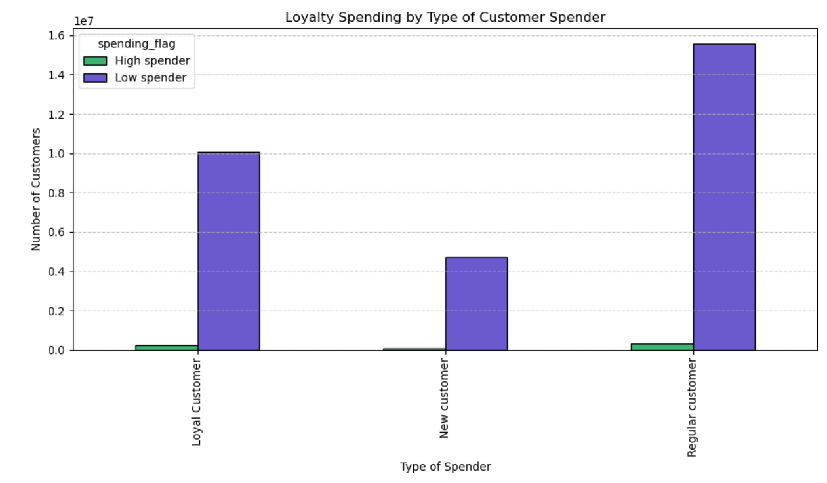

Key Question
Is there a connection between age and family status in terms of ordering
Habits?
Comments
1 | The line chart shows that the average number of dependents remains fairly stable across age groups, with only slight fluctuations.
2 | Although there is some variation in the number of dependents, no consistent pattern emerges — there’s no strong visual correlation between a customer’s age and the number of dependents in their household.
3 | This suggests that family size does not vary significantly with age in the Instacart user base, at least based on this dataset.

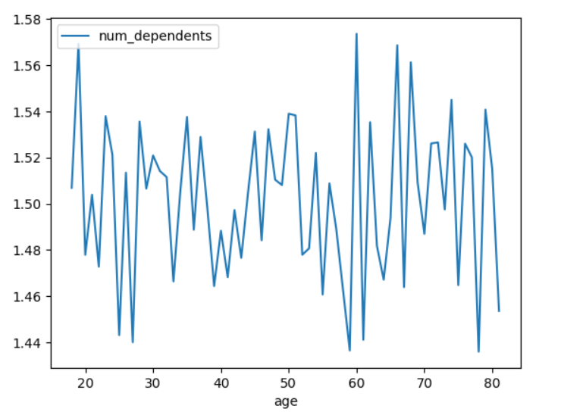

Key Question
What different classifications does the demographic information suggest?
Age? Income? Certain types of goods? Family status?
Comments
1 | The scatterplot shows that there is no strong linear relationship between age and income — income levels vary widely within all age groups.
2 | While income remains relatively concentrated below $200,000 for most customers, there are visible clusters of higher-income individuals, especially among middle-aged and senior adults.
3 | Younger customers tend to be represented more frequently in the low- and middle-income ranges, while higher incomes (above $400,000) are more scattered and appear mostly among older age brackets.
4 | The chart also reveals the diversity of customer profiles, combining family status and income, with middle-income parents and adults being especially prevalent across ages.

 |  |  | Age by Income Relationship Comparison

7. Recommendations
 |  |  | Title page

Recommendations

In this tab you should include any recommendations you would made to Instcart in terms of their marketing strategy based on the questions posed in the brief. Every key question has been covered in the Tasks of the Exercises - here you need to add an item - a visualisation or table/crosstable that is showing the answer in the data, acompanied by a comment from you. Please, list the questions below and add the answer underneath.

Key Questions | Link to graphs | Recommendations
What days of the week and hours of the day are busiest? | See Graphs | Saturday and Sunday between 9 am and 4 am are the busiest. Instacart should schedule promotions on quieter days like Wednesday, especially during early morning (6–8 am) and evening (5–10 pm) windows to boost engagement. Ads outside peak hours may improve visibility.
What times of the day do people spend the most money? | See Graphs | Spending peaks between 10 am and 3 pm, with a notable early spike around 4–5 am. Consider early bird promotions for high-value products, especially on weekdays when activity is lower. Afternoon hours can also be used for premium ad placements.
What price ranges are most common among Instacart products? | See Graph | Most products are priced in the $5–15 range, indicating a strong middle-tier market. Use this insight to guide promotions, price groupings, and bundling strategies. High-end products are rare and may require more targeted advertising.
Are there certain types of products that are more popular than others? | See Graph | Produce, dairy & eggs, snacks, beverages, and frozen items are the top categories. Target promotions and discounts toward these high-demand departments. Encourage trial in lower-performing departments like canned goods or dry pasta by offering bundle deals or first-time buyer incentives.
What’s the distribution among users in regards to their brand loyalty? | See Graph | The largest group are regular customers, followed by loyal customers, then new customers. Instacart should focus on retaining regulars and upgrading them to loyal status through reward schemes, and welcoming new customers with onboarding deals to improve retention.
Are there differences in ordering habits based on a customer’s loyalty status? | See Graph | While all loyalty groups are mostly low spenders, regular customers contain the highest number of high spenders. Use tiered reward systems that give bigger benefits to regular and loyal shoppers, and promote upselling to new customers to move them up the loyalty ladder.
Is there a connection between age and family status in terms of ordering habits? | See Graph | There’s no clear trend between age and number of dependents. Instacart can still benefit from segmenting by family size (for example 0–1 vs. 2+ dependents) rather than age. Offer meal kits or subscription bundles to small families and targeted campaigns for middle-aged shoppers, who dominate the customer base.
What classifications does the demographic information suggest (age, income, goods, family)? | See Graph | Customers over 40 are more likely to earn higher incomes, while most younger customers remain in the low-to-middle income brackets. Profiles with higher income and older age tend to appear more frequently in high spending brackets. Consider targeting wealthy seniors with exclusive bundles, and younger adults with smaller packs or lower-priced deals. Encourage repeat purchases by offering loyalty rewards across all age/income groups.

